Sheet1
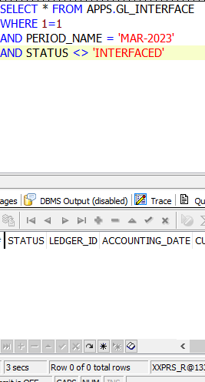
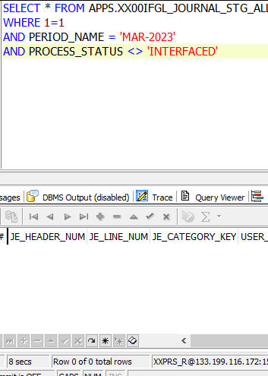
APPS.MTL_ONHAND_QUANTITIES
Row# | INVENTORY_ITEM_ID | ORGANIZATION_ID | DATE_RECEIVED | LAST_UPDATE_DATE | LAST_UPDATED_BY | CREATION_DATE | CREATED_BY | LAST_UPDATE_LOGIN | TRANSACTION_QUANTITY | SUBINVENTORY_CODE | REVISION | LOCATOR_ID | CREATE_TRANSACTION_ID | UPDATE_TRANSACTION_ID | LOT_NUMBER | ORIG_DATE_RECEIVED | COST_GROUP_ID | CONTAINERIZED_FLAG | PROJECT_ID | TASK_ID | SECONDARY_UOM_CODE | SECONDARY_TRANSACTION_QUANTITY | STATUS_ID
1 | 3208782 | 5/3/00 | 3/1/23 | 3/1/23 | 7/24/47 | 3/1/23 | 17372 | 17372 | 1 | EPCLINE |  |  | 1069802093 | 1069802093 |  | 3/1/23 | 2068 | 2
2 | 3479634 | 5/3/00 | 3/1/23 | 3/1/23 | 7/24/47 | 3/1/23 | 17372 | 17372 | 1 | EPCLINE |  |  | 1069802097 | 1069802097 |  | 3/1/23 | 2068 | 2
3 | 3487703 | 124 | 3/1/23 | 3/1/23 | 17372 | 3/1/23 | 17372 | 17372 | 1 | EPCLINE |  |  | 1069802099 | 1069802099 |  | 3/1/23 | 2068 | 2

Sheet2


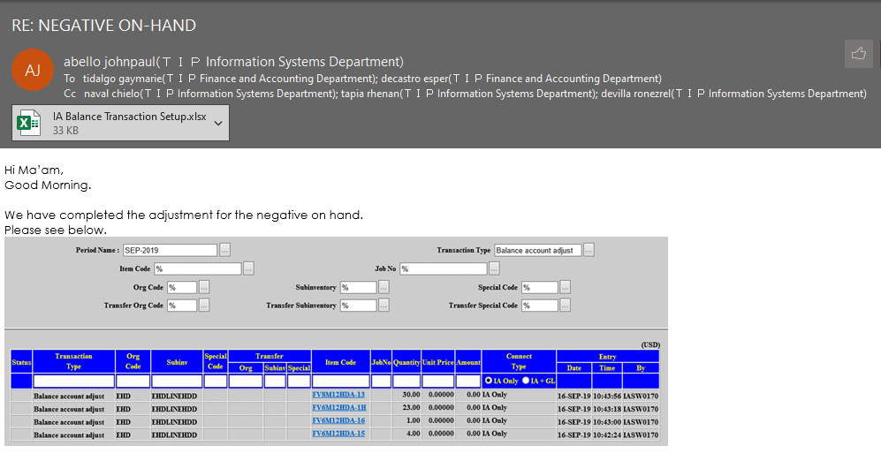

Sheet3
